Provisional Cert Cover
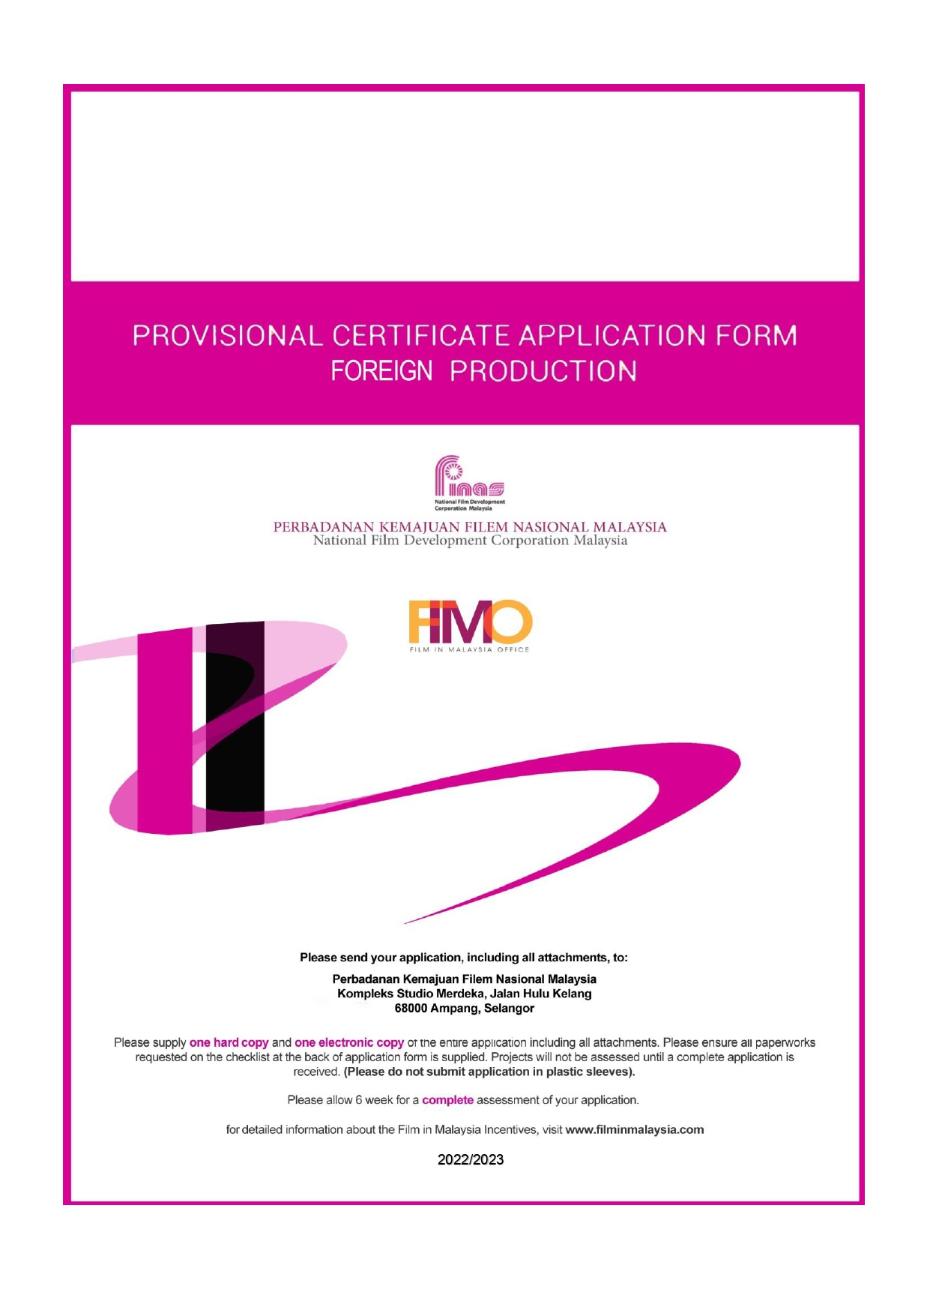
FORM 04
FOR OFFICE USE ONLY
Received Date :
Reference No :

___________________________________________
___________________________________________
___________________________________________
PROJECT TITLE:
PRODUCTION COMPANY:
DATE OF APPLICATION:

